
 |  |  |  | CODE: |  |  | pl1062 ac SN from 99B1272
DESCRIPTION: |  | ELECTRIC UNIT 3 |  | ELEKTRISCHE GRUPPE 3 | GROUPE ELECTRIQUE 3 | GRUPO ELÉCTRICO 3 | ELECTRIC UNIT 3
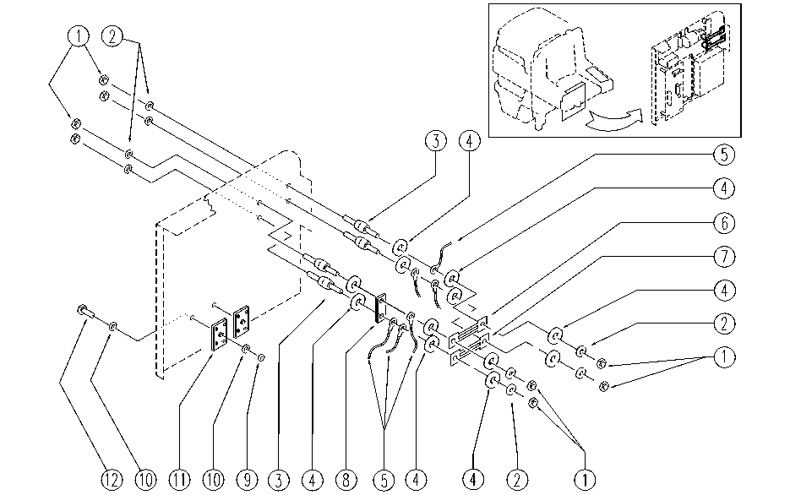

REF. | CODE | DESCRIPTION | QT
1 | E86703 | Nut M8 | 8
2 | E86702 | Cham Washer D8 | 8
3 | E86563 | support | 4
4 | E86878 | Washer | 12
5 | GR23479-2 | WIRING | 1
6 | E86643 | Fuse 75 amp | 1
7 | E86836 | Fuse 100 amp | 1
8 | SL23569 | BRIDGE / JUMPER | 1
9 | E86739 | AS28 Nut | 2
10 | E86797 | Washer | 4
11 | E89088 | Rectifier | 2
12 | SL04088 | SCREW | 2

